Problem 1
During the 1980s, the general consensus is that about 5% of the nation’s children had autism. Some claimed that increases certain chemicals in the environment has led to an increase in autism. (a) Write an appropriate hypothesis test for this situation. (b) Give an appropriate test for this hypothesis, stating what are the necessary conditions for performing the test. (c) A recent study examined 384 children and found that 46 showed signs of autism. Perform a test of the hypothesis and state the p-value. (d) What are your conclusions? State how you use the p-value.

Step:1

Null Hypothesis : General consensus of the nations children had autism by chemicals in environment
Alternate Hypothesis : General consensus of the nations children had increase in autism by chemicals in environment

Ho : µ = 0.05
H1 : µ > 0.05

Step:2

TEST- The statistical test to be used is Z test

Step:3

The value of alpha is .05
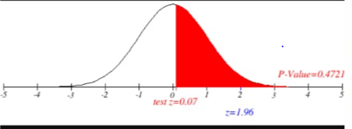

Step:4

This is a one tailed test , and if the Z score is greater than the Z critical value then we can reject the null hypothesis.
critical table z value is z=1.96

The decision rule is to reject the null hypothesis if the observed test statistic is greater than 1.96

Step:5

The gathered data are shown.

Step:6

population proportion are 5% and number of samples are 384, sample proportion is 46/384= 0.12, q=1-p is 0.95 | p^-p/√pq/n
The observed Z value is 0.07 | 0.12-0.05/√0.05*0.95/384 | 0.07

p value is 0.4721; hence 0.4721 > 0.05 | p(z>= 0.07); (1-p(z<=0.07)
Step:7

Statistical Conclusion
Because zscore= 0.07 is lesser then the zcritical = 1.96 hence its fail to reject null hypothesis

p value is also greater then alpha 0.05, hence its fail to reject null hypothesis |  | 0.4721
Step:8

Business Decision
they agree that the autism of the general consensus of nations children had autism due to chemicals in the enviroment and its affecting in the near by population sorrounding in the area. So they taken necessary steps to prevent children to be healthy and get avoid from the autism disease and stay healthy enivronment and also adviced to take vaccination and prevent from the autism.

Problem 2
A company with a fleet of 150 cars found that the emission system of 7 our of the 22 cars tested failed to meet pollution guidelines.
(a) Write a hypothesis to test if more than 20% of the entire fleet might be out of compliance. (b) Test the hypothesis based on the binomial distribution and report a p-value. (c) Is the test significant at the 10%, 5%, 1% level?

Step:1

Null Hypothesis : company fleet of cars will be out of compliance with 20%
Alternate Hypothesis : company fleet of cars will be more out of compliance with 20%

Ho : µ = 0.2
H1 : µ > 0.2

Step:2
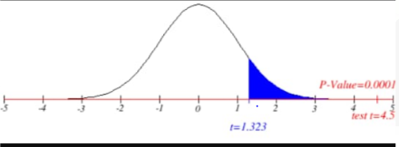
TEST- The statistical test to be used is t test.

Step:3

The value of alpha is we going to place with 0.1,0.05 and 0.01

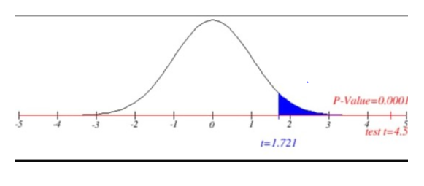
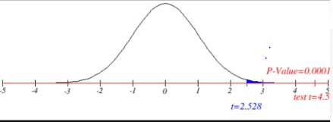
Step:4

With 22 sample data points, df = n - 1 = 22 - 1 = 21. This test is one tailed right test
critical table t value is t= t₁ₒ- 1.323,t₅-1.721 and t₁-2.528

The decision rule is to reject the null hypothesis if the observed test statistic is greater than critical value.

Step:5

The gathered data are shown.

Step:6

number of sample = 22, sample mean =150, sample deviation = 7 | 150-0.2/7√22
The observed t value is 4.57

Step:7

Statistical Conclusion

t score belongs to the critical region, so we reject null hypothesis and accept alternate hypothesis for all the three significance level for 10%,5% and 1% | ts> tc | 4.57 > 1.323,1.721 and 2.518

p value - we can reject null hypothesis at the significance level 0.05, because p value does not exceed 0.05 | p < α | 0.00 < 0.1,0.05 and 0.01
Step:8

Business Decision
The company is decised that the fleet in the cars are out of complains with more then 20%, so the company accept to go with alternate hypothesis.

Problem 3
National data in the 1960s showed that about 44% of the adult population had never smoked. (a) State a null and alternative hypothesis to test that the fraction of the 1995 population of adults that had never smoked had increased. (b) A national random sample of 891 adults were interviewed and 463 stated that they had never smoked. Perform a z-test of the hypothesis and give an approriate p-value. (c) Create a 98% confidence interval for the proportion of adults who had never been smokers. (d) Give the value of the power function π(p) for p = 0.46, 0.48, 0.50, 0.52 with the choice of α = 0.02 and a “greater than” alternative hypothesis. (e) Compute the power function for these values if we increase the sample to 1600. Explain why these values increased.

Step:1

Null Hypothesis : There is no difference in Adult population had never smoked
Alternate Hypothesis : There is difference in Adult population that had never smoked has increased

Ho : µ = .44
H1 : µ > .44

Step:2

TEST- The statistical test to be used is z test, though the sample is more than 30

Step:3

The value of alpha is 0.02
significance level of 98%, α/2=0.01
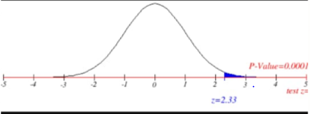

Step:4

This test is one tailed right test, and the
critical table z value is z= 2.33

The decision rule is to reject the null hypothesis if the observed test statistic is greater than z critical and p value is reject if its lesser than or equal to alpha
z score > z critical and p value <= α will reject null hypothesis and accept alternate hypothesis

Step:5

The gathered data are shown.

Step:6

Number of sample used is 891, sample mean is 463 and the population standard deviation is 1600 | 463-.44/1600√891
The observed z value is 8.63 | 462.56 | 29.849623113 | 53.602016814 | 8.629526042

p value is 0.000
Step:7

Statistical Conclusion
according to observation z score is greater than z critical ; 8.63 > 2.33, hence we rejecting the null hypothesis and accepted alternate hypothesis

p value should be lesser than significance level that is 0.000 < 0.02, so we rejected th null hypothesis | p(2>=8.63)
Step:8

Business Decision
the business came to an decision by observed accepting alternate hypothesis that .44 had increase in the number of years with never smoked.
though the power of function state that it’s a type II error that is a false rejection it is accept there is increase in th never smoking people in the population

Problem 4
One of the lenses in your supply is suspected to have a focal length f of 9.1cm rather than the 9cm claimed by the manufacturer. (a) Write an appropriate hypothesis test for this situation. (b) The focal length f is determined by using the thin lens formula, 1 s1 + 1 s2 = 1 f . 1 Here s1 is the distance from the lens to the object and s2 is the distance from the lens to the real image of the object. The distances s1 and s2 are each independently measured 25 times. The sample mean of the measurements is S¯ 1 = 26.6 centimeters and S¯ 2 = 13.8 centimeters, respectively. The standard deviation of the measurement is 0.1cm for s1 and 0.5cm for s2. Give an estimate ˆf based on these measurements and the thin lens formula. (c) Use the delta method to give the standard deviation of ˆf. (d) Use this to devise a z-test for the hypothesis and report a p-value for the test.

Step:1

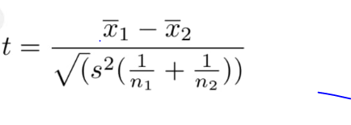
Null Hypothesis : lense focal length is equal to 9cm
Alternate Hypothesis : lense focal length is not equal to 9cm

Ho : µ1 = µ2
H1 : µ1 ≠ µ2

Step:2

TEST- The statistical test to be used is t test, because the number of samples taken by manufacturer company is 25, that is lesser then 30.

Step:3
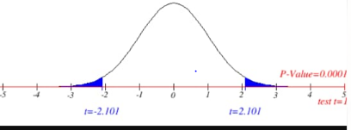
The value of alpha is 0.05
α/2= 0.25
df = n1+ n2-2; n1=25, n2=25; 25+25-2=48

Step:4

This test is two tailed test
critical value is t= ± 2.021
p value is 0.000
The decision rule is to reject the null hypothesis if the observed test statistic is greater than t critical and p value is reject if its lesser than or equal to alpha
t score > t critical and p value <= α will reject null hypothesis and accept alternate hypothesis

Step:5

The gathered data are shown.

Step:6

number of sample1 and 2= 25; sample mean1,2 =26.6,13.8; sample deviation1,2 =0.1,0.5 | (26.6-13.8)-0/√(0.1)2/25+(0.5)2/25
The observed t value is 125.49

Step:7

Statistical Conclusion
It stated that we can reject null hypothesis because we observed that t score is greater than critical value .so we can accept alternate hypothesis.
t score > t critical ; 125.49> 2.021

p value - we decided that we can reject the null hypothesis at the significance level 0.05, because it is not exceed 0.05
p value < α ; 0.000 < 0.05

Step:8

Business Decision
the manufacturer decided by taking this hypothesis found that there are difference in the lenes they made with the focal lenth of 9 cm will be less or more in cm and accepted to proceed with the alternate hypothesis. B)focal length is determined by using thin lens formula 1/s1+1/s2= 1/f, so by placing s1 as 0.1 and s2 as 0.5; 1/0.1+1/0.5=6/0.5; that is observed that f is 12

Problem 5
The body temperature in degrees Fahrenheit of 52 randomly chosen healthy adults is measured with the following summary of the data: n = 52, x¯ = 98.2846 s = 0.6824. (a) Are the necessary conditions for constructing a valid t-interval satisfied? Explain. (b) Find a 98% confidence interval for the mean body temperature and explain its meaning. (c) Give a two-side hypothesis test for a mean body temperature of 98.6 o Fahrenheit and use the information above to evaluate a test with significance level α = 0.02. (d) Find the power of the test at the parameter value µ = 98.2 and indicate this value using the cutoff value for the test and drawing the sample distribution for the null and alternative hypothesis.

Step:1

Null Hypothesis : body temperature will be at 98.6
Alternate Hypothesis : body temperature will not be at 98.6

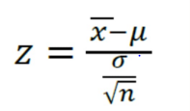
Ho : µ = 98.6
H1 : µ ≠ 98.6

Step:2

TEST- The statistical test to be used is Z test with two tailed test.

Step:3

The value of alpha is 0.02

Step:4

This test is two tailed, and we use alpha by 2 to get the critical value
critical table t value is z= ±2.33

The decision rule is to reject the null hypothesis if the observed test statistic is greater than 2.33

p value - we decided that we can reject the null hypothesis at the significance level 0.02, because it is not exceed 0.02
Step:5
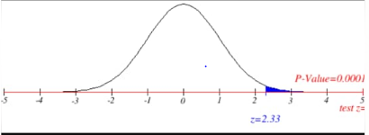
The gathered data are shown.

Step:6

The sample is 52, sample mean is 98.2846 and the standard deviation is 0.6824
The observed z value is -3.33 | -0.3154
 | 7.2111025509 | 0.094631853476 | -3.3329158039

Step:7

Statistical Conclusion
zscore > zcritical ; -3.33 > -2.33; we reject null hypothesis and accept alternate hypothesis that it may have a difference in body tempture

p value -0.001 ; p value <= α, 0.001 < 0.02 , hence we rejecting the null hypothesis | 98.2846-98.2/0.6824/√52
 | 0.89
if, we consider taking 98.2 then t score is 0.89, so 0.89 < 2.33 we are fail to reject null hypothesis and accepting it.
pvalue -0.37 , 0.37 > 0.02, hence we are fail to reject and accept the null hypothesis
Step:8

Business Decision
a) No this not satisfied , number of sample is geater than <30, so we considered z test for this problem and not taken necessary conditions for constructing on t interval.
b) 98 % confidence level for the mean body temperature as 98/100=0.98 so taken significance level as 1-0.98 = 0.02, hence we calculating the alpha with α= 0.02
the business implication is considering alternate hypothesis of 98.6 in any body tempture that can be between 97 to 99 degrees. But the second interpretation given that its accepting 98.2 degree is normal with any body tempture and the p value are stating the same. hence they observed that no problem if 98.2 will have fever or tempture in the body, it can be of room tempture or by climate condition and not to worry about the degrees available in body tempture unless in more than 99 degrees.

Problem 6
Drivers of cars calling for regular gas sometimes premium in the hopes that it will improve gas mileage. Here a rental car company takes 10 randomly chosen cars in its fleet and runs a tank of gas according to a coin toss, runs a tank of gas of each type. |  |  | car (n) | regular gas Ex1 | premium gas Ex2 | Ex1^2 | Ex2^2
 |  | ⴟ1=Ex1/n1; 231/10=23.1 | 1 | 16 | 19 | 256 | 361
Car # 1 2 3 4 5 6 7 8 9 10 Regular 16 20 21 22 23 22 27 25 27 28 Premium 19 22 24 24 25 25 26 26 28 32 |  | ⴟ2=Ex2/n2; 251/10=25.1 | 2 | 20 | 22 | 400 | 484
 |  |  | 3 | 21 | 24 | 441 | 576
(a) Write an appropriate hypothesis test for this situation and state the testing procedure appropriate to this circumstance. (b) Compute the necessary summary statistics for the test in part (a). (c) Perform the t-test and report the p-value. (d) Compare your result to that of a two sample t-test. |  |  | 4 | 22 | 24 | 484 | 576
 |  |  | 5 | 23 | 25 | 529 | 625
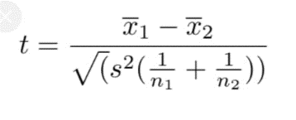
 |  |  | 6 | 22 | 25 | 484 | 625
Step:1 |  |  | 7 | 27 | 26 | 729 | 676
 |  |  | 8 | 25 | 26 | 625 | 676
Null Hypothesis : car in its fleet runs a tank for gas milege with regular gas is same as to premium gas |  |  | 9 | 27 | 28 | 729 | 784
Alternate Hypothesis : car in its fleet runs a tank for gas milege with regular gas is not the same as to premium gas |  |  | 10 | 28 | 32 | 784 | 1024 | 23.1 | 546.1 | 533.61 | 12.49
 |  |  |  | 231 | 251 | 5461 | 6407 | 25.1 | 640.7 | 630.01 | 10.69
Ho : µ1 = µ2
H1 : µ1 ≠ µ2
 |  | t-Test: Two-Sample Assuming Equal Variances
Step:2
 |  |  | regular gas | premium gas
TEST- The statistical test to be used is t test , though the sample taken by rental car company for regular and premium gas is 10 |  | Mean | 23.1 | 25.1
 |  | Variance | 13.877777778 | 11.877777778
Step:3 |  | Observations | 10 | 10
 |  | Pooled Variance | 12.877777778
The value of alpha is .05 |  | Hypothesized Mean Difference | 0
 |  | df | 18
 |  | t Stat | -1.25
 |  | P(T<=t) one-tail | 0.1143299243
Step:4 |  | t Critical one-tail | 1.7340636066
 |  | P(T<=t) two-tail | 0.22865984861
df = n1 + n2 - 2; 10 + 10 - 2 = 18. This test is two tailed test , and the |  | t Critical two-tail | 2.101
critical table t value is t= ± 2.101

The decision rule is to reject the null hypothesis if the observed test statistic is greater than t critical and p value is reject if its lesser than or equal to alpha
t score > t critical and p value <= α will reject null hypothesis and accept alternate hypothesis

Step:5

The gathered data are shown.

Step:6

n1 and n2 = 10; sample mean 23.1 and 25.1; std dev 12.49 and 10.69; sp= 12.88 | 23.1-25.1/√12.88(1/10 + 1/10)
The observed t value is -1.25
 | -1.2453300125
p value is 0.2428
Step:7
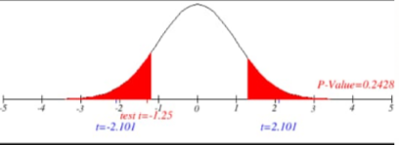
Statistical Conclusion
ts >tc; -1.25 < 2.101; tscore is outside the critical region , so there is no enough evidence to reject the null hypothesis. Hence we accepting the alternate hypothesis

p value is 0.2428 > 0.05 , hence there is no enough evidence to reject the null hypothesis by the significance level at 0.05
Step:8

Business Decision

business confirms by the testing is that the car in its fleet runs a tank for gas milege with regular gas is same as to premium gas because its depends upon the milege they drive and use the vechical. It may be good considering premium gas but regular gas is also sufficient and budget friendly to the car drivers.

Problem 7
In this problem, we will examine the sugar content of several national brands of cereals, here measured as a percentage of weight. children 40.3 55.0 45.7 43.3 50.3 45.9 53.5 43.0 44.2 44.0 33.6 55.1 48.8 50.4 37.8 60.3 46.6 47.4 44.0 adult 20.0 30.2 2.2 7.5 4.4 22.2 16.6 14.5 21.4 3.3 10.0 1.0 4.4 1.3 8.1 6.6 7.8 10.6 10.6 16.2 14.5 4.1 15.8 4.1 2.4 3.5 8.5 4.7 18.4 (a) Give a summary of these two data sets. (b) Create side-by-side boxplots and interpret what you see. (c) Use R to create a 95% confidence interval for the difference in mean sugar content and explain your result. |  | children | adult
 |  | 40.3 | 20.0 | 1624.09 | 400.00 |  |  |  |  |  |  |  |  | t-Test: Two-Sample Assuming Equal Variances
Step:1 |  | 55.0 | 30.2 | 3025.00 | 912.04
 |  | 45.7 | 2.2 | 2088.49 | 4.84 |  |  |  |  |  |  |  |  |  | children | adult
Null Hypothesis : sugar content of several national brands of cereals of children and adult are in equal percentage of weight |  | 43.3 | 7.5 | 1874.89 | 56.25 |  |  |  |  |  |  |  |  | Mean | 46.8 | 10.168965517
Alternate Hypothesis : sugar content of several national brands of cereals of children and adult are not in equal percentage of weight |  | 50.3 | 4.4 | 2530.09 | 19.36 |  |  |  |  |  |  |  |  | Variance | 41.195555556 | 55.885788177
 |  | 45.9 | 22.2 | 2106.81 | 492.84 |  |  |  |  |  |  |  |  | Observations | 19 | 29
Ho : µ1 = µ2 |  | 53.5 | 16.6 | 2862.25 | 275.56 |  |  |  |  |  |  |  |  | Pooled Variance | 50.137436282
H1 : µ1 > µ2 |  | 43.0 | 14.5 | 1849.00 | 210.25 |  |  |  |  |  |  |  |  | Hypothesized Mean Difference | 0
 |  | 44.2 | 21.4 | 1953.64 | 457.96 |  |  |  |  |  |  |  |  | df | 46
Step:2 |  | 44.0 | 3.3 | 1936.00 | 10.89 |  |  |  |  |  |  |  |  | t Stat | 17.527634274
 |  | 33.6 | 10.0 | 1128.96 | 100.00 |  |  |  |  |  |  |  |  | P(T<=t) one-tail | 2.7200097226E-22
TEST- The statistical test to be used is t test |  | 55.1 | 1.0 | 3036.01 | 1.00 |  |  |  |  |  |  |  |  | t Critical one-tail | 1.6786604136
 |  | 48.8 | 4.4 | 2381.44 | 19.36 |  |  |  |  |  |  |  |  | P(T<=t) two-tail | 5.4400194452E-22
Step:3 |  | 50.4 | 1.3 | 2540.16 | 1.69 |  |  |  |  |  |  | 18 | 719.28 | t Critical two-tail | 2.0128955989
 |  | 37.8 | 8.1 | 1428.84 | 65.61 |  |  |  |  |  |  | 28 | 1510.88
The value of alpha is .05 |  | 60.3 | 6.6 | 3636.09 | 43.56 |  |  |  |  |  |  |  | 2230.16
 |  | 46.6 | 7.8 | 2171.56 | 60.84 |  |  |  |  |  |  | 48 | 46.461666667 | 6.8162795326 | 16800.97028
df=n1+n2-2 , n1=19 and n2=29, 19+29-2= 46 |  | 47.4 | 10.6 | 2246.76 | 112.36
 |  | 44.0 | 10.6 | 1936.00 | 112.36 |  |  |  |  |  |  | 36.63 | 0.086206896552 | 0.29361010976 | 4932.943454 | 0.0074255868411
Step:4 |  |  | 16.2 |  | 262.44
 |  |  | 14.5 |  | 210.25
This test is two tailed test, and the |  |  | 4.1 |  | 16.81
critical table t value is t= 2.021 |  |  | 15.8 |  | 249.64
 |  |  | 4.1 |  | 16.81
The decision rule is to reject the null hypothesis if the observed test statistic is greater than critical value | 19 |  | 2.4 |  | 5.76
 | 29 |  | 3.5 |  | 12.25
p value - we decided that we can reject the null hypothesis at the significance level 0.05, because it is not exceed 0.05 |  |  | 8.5 |  | 72.25
Step:5 |  |  | 4.7 |  | 22.09 | 42356.08 | 2229.2673684 | 2190.24 | 39.027368421 | 1523.3409 | 28943.4771
 |  |  | 18.4 |  | 338.56 | 4563.63 | 157.36655172 | 103.40785969 | 53.958692033 | 2911.6816 | 84438.7664
The gathered data are shown. |  | 889.2 | 294.9 | 42356.08 | 4563.63 |  |  |  |  |  | 113382.2435 | 46
 |  | 46.80 | 10.17 | 39.03 | 53.96 |  | 36.63 | 8.4696592424 |  |  | 2464.8313804
 |  |  |  |  |  |  | 0.09
 |  |  |  |  |  |  | 49.647068196 | 4.3249714581

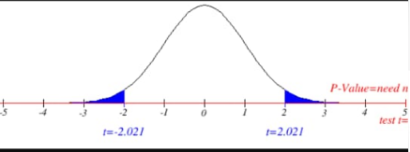
Step:6

The number of sample are 19 and 29, sample mean is 889.2 and 294.9,sample standard deviation is 39.03 and 53.96
The observed t value is 8.47
t score > tcritical; 8.47 > 2.021, hence we reject the null hypothesis
p value is 0.000 ; that is we can 0.000< 0.05 hence we reject the null hypothesis
Step:7

Statistical Conclusion
t score > tcritical; 8.47 > 2.021, hence we reject the null hypothesis
p value is 0.000 ; that is we can 0.000< 0.05 hence we reject the null hypothesis

Step:8

Business Decision
we found by the hypothesis testing that the business has a difference in sugar content of several national brands of cereals between the children and adults products. Since null hypothesis got rejected and alternate hypothesis got accepted by the conclusion.

